Sheet1
 | Document No. |  |  | Issue No. | Issue Date |  |  | Review and Replace Date |  |  | Authorised By
 | GFF431MC |  |  | 2 | 19.03.2024 |  |  | 28.01.2025 |  |  | Magda Shah
 | Document Title |  |  | Gazebo Chicken Tikka Masala & Aromatic Rice 350g
Document amendments reason for change | Rice and chicken changed and also now packed for frozen stock |  |  |  | Page 1 of 1 |  | Previous Issue Date |  |  | 19.03.2024 | Uncontrolled copy unless signed original

CHILLED
CCTIKR5-R8T / FCTIKR5-R8T |  | Gazebo Cuisine |  |  | Chicken Tikka Masala & Aromatic Rice|350g
STEP 1
 |  |  |  |  |  | 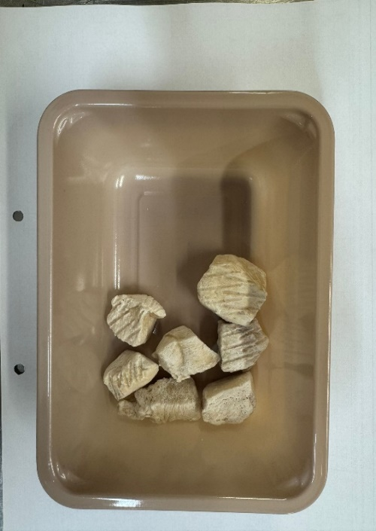

Pack +10 Days
FROZEN

Tray: EVOLVE CPET 2171-1F FROST (PKRHP001-14) |  |  |  |  |  | 20-25mm Steam Cooked Diced CBC (RMVES001-01): 50g
Film: K Peel 3G 25µm (275mmX1000lm) (PKKMP001-04)
STEP 3 |  |  | STEP 4 |  |  |  |  |  | STEP 5
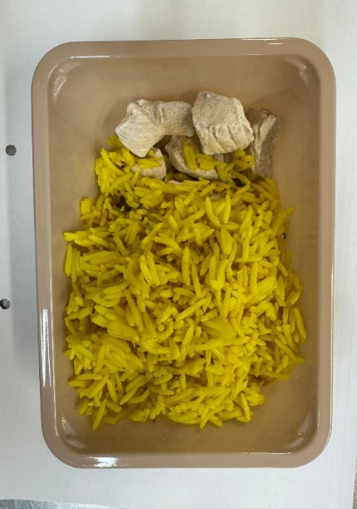 |  |  | 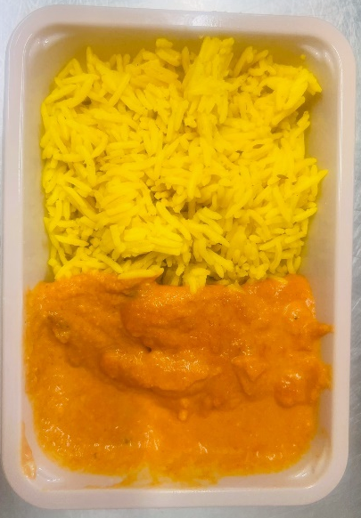 |  |  |  |  |  | 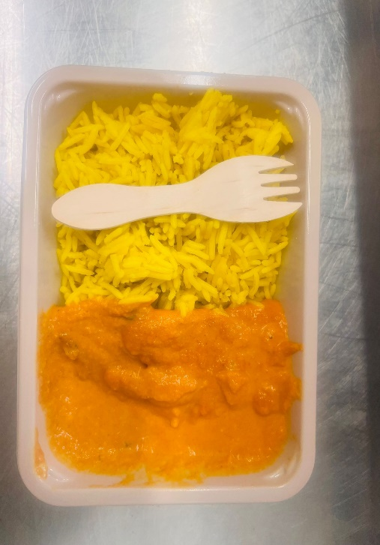
Pilau Rice (GFF143R): 200g |  |  | Tikka Masala Sauce : 100g (GFF141R) |  |  |  |  |  | Add SPORK inside the tray before sealing |  |  | Total Weight 350g
ALLERGY ALERT: Milk, Nuts

